Praticando
Backlog
 | Task | Owner | Status | Data | Prioridade
 | Gravar Curso Excel | Felipão | In Progress | 20-Dec-24 | 1 | Total de atividades | 6
 | Criar Questionários | Felipão | Stuck | 20-Dec-24 | 4 | Atvidades Concluidas | 2
 | Editar Video | Núbia | Stuck | 22-Dec-24 | 4 | Atividades em Progresso | 1
 | Cadastrar na Plataforma | Aline | Done | 23-Dec-24 | 4
 | Colocar uma Badge | Elidiana | Done | 23-Dec-24 | 3
 | Adicionar ao Bootcamp | Elidiana | Stuck | 23-Dec-24 | 4

Analisando Ddos com Copilot
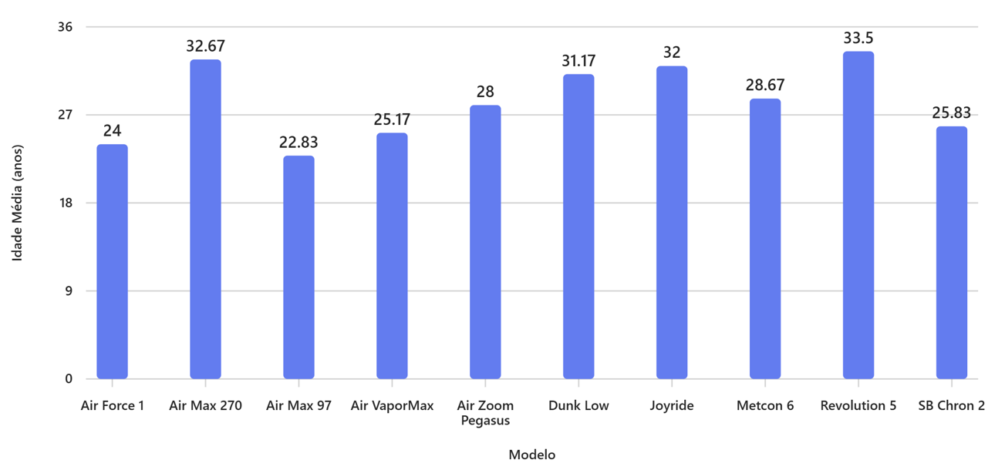
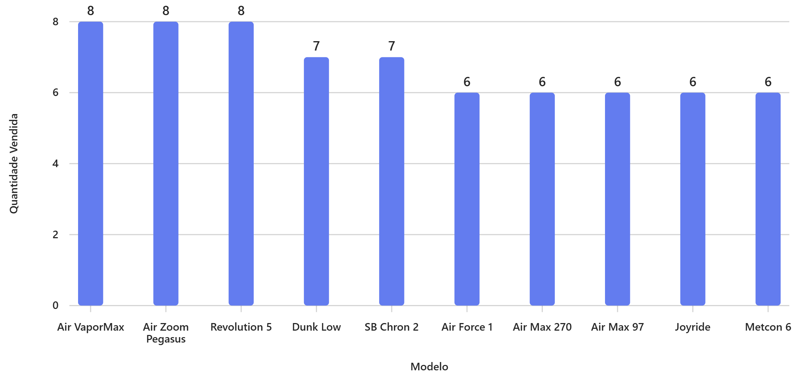
Data da Venda | Loja de Venda | Modelo do Tênis | Modelo de Tênis | Preço de Venda (R$) | Quantidade Vendida | Cidade | Idade do Comprador | Gênero do Comprador | Duplicidade ? | Percentual de Vendas | Preço Total de Venda | Percentual da loja
2023-12-01 | Loja A | Nike Air Max 97 | Air Max 97 | R$ 749.00 | 1 | São Paulo | 24 | Masculino | Único | 0.060731371118 | R$ 749.00 | 5.66%
2023-12-02 | Loja B | Nike Revolution 5 | Revolution 5 | R$ 299.00 | 2 | Rio de Janeiro | 30 | Feminino | Único | 0.024241932868 | R$ 598.00 | 4.42%
2023-12-03 | Loja C | Nike Air Zoom Pegasus | Air Zoom Pegasus | R$ 599.00 | 1 | Belo Horizonte | 35 | Masculino | Único | 0.04856888024 | R$ 599.00 | 4.06%
2023-12-04 | Loja A | Nike Air Force 1 | Air Force 1 | R$ 549.00 | 1 | Curitiba | 22 | Feminino | Único | 0.044514716614 | R$ 549.00 | 4.15%
2023-12-05 | Loja B | Nike Air Max 270 | Air Max 270 | R$ 649.00 | 1 | Porto Alegre | 28 | Feminino | Único | 0.052618777363 | R$ 649.00 | 4.80%
2023-12-06 | Loja C | Nike Dunk Low | Dunk Low | R$ 579.00 | 2 | Salvador | 33 | Masculino | Único | 0.04694721479 | R$ 1,158.00 | 7.84%
2023-12-07 | Loja A | Nike SB Chron 2 | SB Chron 2 | R$ 359.00 | 1 | Fortaleza | 19 | Masculino | Único | 0.029108894835 | R$ 359.00 | 2.71%
2023-12-08 | Loja B | Nike Air VaporMax | Air VaporMax | R$ 899.00 | 1 | Recife | 27 | Feminino | Único | 0.072887952003 | R$ 899.00 | 6.64%
2023-12-09 | Loja C | Nike Joyride | Joyride | R$ 779.00 | 1 | Manaus | 36 | Feminino | Único | 0.063163869294 | R$ 779.00 | 5.27%
2023-12-10 | Loja A | Nike Metcon 6 | Metcon 6 | R$ 699.00 | 1 | Brasília | 25 | Masculino | Único | 0.056677207492 | R$ 699.00 | 5.28%
2023-12-11 | Loja B | Nike Air Max 97 | Air Max 97 | R$ 750.00 | 1 | Goiânia | 20 | Feminino | Único | 0.060807523918 | R$ 750.00 | 5.54%
2023-12-12 | Loja C | Nike Revolution 5 | Revolution 5 | R$ 300.00 | 1 | Campo Grande | 34 | Masculino | Único | 0.024324981756 | R$ 300.00 | 2.03%
2023-12-13 | Loja A | Nike Air Zoom Pegasus | Air Zoom Pegasus | R$ 600.00 | 2 | Florianópolis | 29 | Feminino | Único | 0.048649963513 | R$ 1,200.00 | 9.07%
2023-12-14 | Loja B | Nike Air Force 1 | Air Force 1 | R$ 550.00 | 1 | São Luís | 22 | Masculino | Único | 0.044592184206 | R$ 550.00 | 4.06%
2023-12-15 | Loja C | Nike Air Max 270 | Air Max 270 | R$ 650.00 | 1 | Natal | 45 | Feminino | Único | 0.052704127139 | R$ 650.00 | 4.40%
2023-12-16 | Loja A | Nike Dunk Low | Dunk Low | R$ 580.00 | 1 | Teresina | 27 | Masculino | Único | 0.047028298062 | R$ 580.00 | 4.38%
2023-12-17 | Loja B | Nike SB Chron 2 | SB Chron 2 | R$ 360.00 | 1 | João Pessoa | 31 | Feminino | Único | 0.02918761148 | R$ 360.00 | 2.66%
2023-12-18 | Loja C | Nike Air VaporMax | Air VaporMax | R$ 900.00 | 2 | Aracaju | 26 | Masculino | Único | 0.072974945269 | R$ 1,800.00 | 12.19%
2023-12-19 | Loja A | Nike Joyride | Joyride | R$ 780.00 | 1 | Maceió | 30 | Feminino | Único | 0.063244952566 | R$ 780.00 | 5.89%
2023-12-20 | Loja B | Nike Metcon 6 | Metcon 6 | R$ 700.00 | 1 | Palmas | 35 | Masculino | Único | 0.05675368899 | R$ 700.00 | 5.17%
2023-12-21 | Loja C | Nike Air Max 97 | Air Max 97 | R$ 749.00 | 1 | Vitória | 21 | Feminino | Único | 0.060731371118 | R$ 749.00 | 5.07%
2023-12-22 | Loja A | Nike Revolution 5 | Revolution 5 | R$ 299.00 | 2 | Cuiabá | 37 | Masculino | Único | 0.024243898484 | R$ 598.00 | 4.52%
2023-12-23 | Loja B | Nike Air Zoom Pegasus | Air Zoom Pegasus | R$ 599.00 | 1 | Belém | 28 | Feminino | Único | 0.048564942436 | R$ 599.00 | 4.43%
2023-12-24 | Loja C | Nike Air Force 1 | Air Force 1 | R$ 549.00 | 1 | Porto Velho | 23 | Masculino | Único | 0.044514716614 | R$ 549.00 | 3.72%
2023-12-25 | Loja A | Nike Air Max 270 | Air Max 270 | R$ 649.00 | 1 | Boa Vista | 19 | Feminino | Único | 0.052623043866 | R$ 649.00 | 4.90%
2023-12-26 | Loja B | Nike Dunk Low | Dunk Low | R$ 579.00 | 1 | Macapá | 33 | Masculino | Único | 0.046943408464 | R$ 579.00 | 4.28%
2023-12-27 | Loja C | Nike SB Chron 2 | SB Chron 2 | R$ 359.00 | 2 | Rio Branco | 22 | Feminino | Único | 0.029108894835 | R$ 718.00 | 4.86%
2023-12-28 | Loja A | Nike Air VaporMax | Air VaporMax | R$ 899.00 | 1 | Porto Alegre | 27 | Masculino | Único | 0.072893861996 | R$ 899.00 | 6.79%
2023-12-29 | Loja B | Nike Joyride | Joyride | R$ 779.00 | 1 | São Paulo | 36 | Feminino | Único | 0.063158748176 | R$ 779.00 | 5.76%
2023-12-30 | Loja C | Nike Metcon 6 | Metcon 6 | R$ 699.00 | 1 | Salvador | 25 | Masculino | Único | 0.056677207492 | R$ 699.00 | 4.73%
2024-01-01 | Loja A | Nike Air Max 97 | Air Max 97 | R$ 750.00 | 1 | Rio de Janeiro | 29 | Feminino | Único | 0.060812454391 | R$ 750.00 | 5.67%
2024-01-02 | Loja B | Nike Revolution 5 | Revolution 5 | R$ 300.00 | 1 | Curitiba | 32 | Masculino | Único | 0.024323009567 | R$ 300.00 | 2.22%
2024-01-03 | Loja C | Nike Air Zoom Pegasus | Air Zoom Pegasus | R$ 600.00 | 2 | Belo Horizonte | 21 | Feminino | Único | 0.048649963513 | R$ 1,200.00 | 8.12%
2024-01-04 | Loja A | Nike Air Force 1 | Air Force 1 | R$ 550.00 | 1 | Fortaleza | 34 | Masculino | Único | 0.044595799886 | R$ 550.00 | 4.16%
2024-01-05 | Loja B | Nike Air Max 270 | Air Max 270 | R$ 650.00 | 1 | Manaus | 28 | Feminino | Único | 0.052699854062 | R$ 650.00 | 4.80%
2024-01-06 | Loja C | Nike Dunk Low | Dunk Low | R$ 580.00 | 1 | Brasília | 30 | Masculino | Único | 0.047028298062 | R$ 580.00 | 3.93%
2024-01-07 | Loja A | Nike SB Chron 2 | SB Chron 2 | R$ 360.00 | 1 | Recife | 24 | Feminino | Único | 0.029189978108 | R$ 360.00 | 2.72%
2024-01-08 | Loja B | Nike Air VaporMax | Air VaporMax | R$ 900.00 | 2 | Porto Alegre | 23 | Masculino | Único | 0.072969028701 | R$ 1,800.00 | 13.30%
2024-01-09 | Loja C | Nike Joyride | Joyride | R$ 780.00 | 1 | Goiânia | 27 | Feminino | Único | 0.063244952566 | R$ 780.00 | 5.28%
2024-01-10 | Loja A | Nike Metcon 6 | Metcon 6 | R$ 700.00 | 1 | São Luís | 35 | Masculino | Único | 0.056758290765 | R$ 700.00 | 5.29%
2024-01-11 | Loja B | Nike Air Max 97 | Air Max 97 | R$ 750.00 | 1 | Belém | 22 | Feminino | Único | 0.060807523918 | R$ 750.00 | 5.54%
2024-01-12 | Loja C | Nike Revolution 5 | Revolution 5 | R$ 300.00 | 1 | Maceió | 35 | Masculino | Único | 0.024324981756 | R$ 300.00 | 2.03%
2024-01-13 | Loja A | Nike Air Zoom Pegasus | Air Zoom Pegasus | R$ 600.00 | 1 | Porto Alegre | 29 | Feminino | Único | 0.048649963513 | R$ 600.00 | 4.53%
2024-01-14 | Loja B | Nike Air Force 1 | Air Force 1 | R$ 550.00 | 1 | São Paulo | 24 | Masculino | Único | 0.044592184206 | R$ 550.00 | 4.06%
2024-01-15 | Loja C | Nike Air Max 270 | Air Max 270 | R$ 650.00 | 1 | Rio de Janeiro | 42 | Feminino | Único | 0.052704127139 | R$ 650.00 | 4.40%
2024-01-16 | Loja A | Nike Dunk Low | Dunk Low | R$ 580.00 | 1 | Curitiba | 27 | Masculino | Único | 0.047028298062 | R$ 580.00 | 4.38%
2024-01-17 | Loja B | Nike SB Chron 2 | SB Chron 2 | R$ 360.00 | 1 | Salvador | 30 | Feminino | Único | 0.02918761148 | R$ 360.00 | 2.66%
2024-01-18 | Loja C | Nike Air VaporMax | Air VaporMax | R$ 900.00 | 1 | Fortaleza | 23 | Masculino | Único | 0.072974945269 | R$ 900.00 | 6.09%
2024-01-19 | Loja A | Nike Joyride | Joyride | R$ 780.00 | 1 | Brasília | 31 | Feminino | Único | 0.063244952566 | R$ 780.00 | 5.89%
2024-01-20 | Loja B | Nike Metcon 6 | Metcon 6 | R$ 700.00 | 1 | Recife | 28 | Masculino | Único | 0.05675368899 | R$ 700.00 | 5.17%
2024-01-21 | Loja C | Nike Air Max 97 | Air Max 97 | R$ 750.00 | 1 | Vitória | 21 | Feminino | Único | 0.060812454391 | R$ 750.00 | 5.08%
2024-01-22 | Loja A | Nike Revolution 5 | Revolution 5 | R$ 300.00 | 1 | Cuiabá | 33 | Masculino | Único | 0.024324981756 | R$ 300.00 | 2.27%
2024-01-23 | Loja B | Nike Air Zoom Pegasus | Air Zoom Pegasus | R$ 600.00 | 1 | Florianópolis | 26 | Feminino | Único | 0.048646019134 | R$ 600.00 | 4.43%
2024-01-24 | Loja C | Nike Air Force 1 | Air Force 1 | R$ 550.00 | 1 | Campo Grande | 19 | Masculino | Único | 0.044595799886 | R$ 550.00 | 3.72%
2024-01-25 | Loja A | Nike Air Max 270 | Air Max 270 | R$ 650.00 | 1 | Manaus | 34 | Feminino | Único | 0.052704127139 | R$ 650.00 | 4.91%
2024-01-26 | Loja B | Nike Dunk Low | Dunk Low | R$ 580.00 | 1 | São Luís | 37 | Masculino | Único | 0.047024485163 | R$ 580.00 | 4.29%
2024-01-27 | Loja C | Nike SB Chron 2 | SB Chron 2 | R$ 360.00 | 1 | Teresina | 29 | Feminino | Único | 0.029189978108 | R$ 360.00 | 2.44%
2024-01-28 | Loja A | Nike Air VaporMax | Air VaporMax | R$ 900.00 | 1 | Belo Horizonte | 25 | Masculino | Único | 0.072974945269 | R$ 900.00 | 6.80%
2024-01-29 | Loja B | Nike Joyride | Joyride | R$ 780.00 | 1 | Goiânia | 32 | Feminino | Único | 0.063239824874 | R$ 780.00 | 5.76%
2024-01-30 | Loja C | Nike Metcon 6 | Metcon 6 | R$ 700.00 | 1 | Porto Velho | 24 | Masculino | Único | 0.056758290765 | R$ 700.00 | 4.74%
 |  |  |  |  |  |  |  |  |  |  | R$ 0.00
 |  |  |  |  |  |  |  |  |  |  | R$ 0.00
 |  |  |  |  |  |  |  |  |  |  | R$ 0.00
 |  |  |  |  |  |  |  |  |  |  | R$ 0.00

Análise Visual
Indicador | Soma de Valor
Idade Média do Comprador | 28.38
Receita Total | R$ 41,536.00
Ticket Médio | 649.00
Total Geral | 42213.383333

